Sheet1
Bug ID | Title/Summary | Description | Steps to Reproduce | Expected Result | Actual Result | Severity | Priority | Status | Reporter & Date | Assigned To | Environment | Attachments/References

Unique identifier for the bug (e.g., BUG-001) | Short, clear title for the bug | Detailed explanation of the bug | Step-by-step actions to reproduce the issue | What should happen ideally | What actually happens | Impact level (Critical, Major, Minor, Trivial) | Urgency for fixing (High, Medium, Low) | Current status (New, In Progress, Fixed, Retest, Closed) | Name of the person who found and reported the bug Date when the bug was reported | Developer or team responsible for fixing it | Environment details (OS, browser, app version, etc.) | Links or filenames for screenshots, videos, or logs
 | All products display the same image when logged in as problem_user | when logging in using the problem_user account, all products on the Products page display the same image | Open the login page. Enter username: problem_user Enter password: secret_sauce Click Login. Observe the product images on the Products page | Each product should display its correct and unique image | All products display the same image | Critical | high | Open | sara mohammed |  | Browser: Chrome Version 146.0.3856.72 (Official build) (64-bit) OS: Windows 10
 | Add to Cart button does not work for T-shirt (Red), T-shirt, and Jacket when logged in as problem_user | The Add to Cart button is not working for several products, including T-shirt (Red), T-shirt, and Jacket. This issue prevents users from adding these items to their cart, which directly blocks them from purchasing these products. Other products work as expected, so the problem appears to be isolated to these specific items. | Open the login page. Enter username: problem_user Enter password: secret_sauce Try to add the following products to the cart (products with non-functional Add to Cart button): T-shirt (Red) T-shirt Jacket Observe that the Add to Cart button does not respond for these products. | The Add to Cart button should work for all products. Clicking the button on T-shirt (Red), T-shirt, or Jacket should successfully add the selected product to the cart. | The Add to Cart button does not respond when trying to add T-shirt (Red), T-shirt, or Jacket to the cart. These products are not added to the cart, preventing the user from purchasing them. | Critical |  | Open | sara mohammed |  | Browser: Chrome Version 146.0.3856.72 (Official build) (64-bit) OS: Windows 10 | 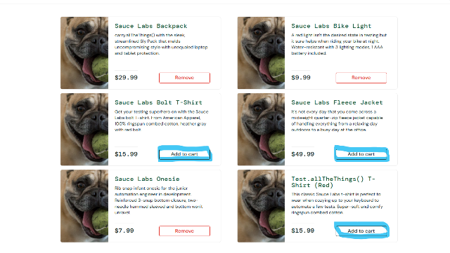
 | Clicking on product name or image navigates to a different product page, causing incorrect Add/Remove Cart button behavior for problem_user | When logged in as problem_user, clicking on a product's name or image on the Products page sometimes navigates to a different product details page than the one selected. If the product shown on the details page is already in the cart, the button shows Remove, even if the product on the Products page was not in the cart. If the product shown on the details page is not in the cart, the button shows Add to Cart, even if the product on the Products page was already in the cart. This causes confusion for the user, potentially adding or removing the wrong product from the cart. | Open the login page Enter username: problem_user Enter password: secret_sauce Click Login. Go to the Products page Click on the image or name of a product (e.g., T-shirt (Red)) Observe that the page sometimes navigates to a different product details page Check the Add to Cart / Remove button: Button state reflects the product displayed on details page, not the one selected in the Products | Clicking a product name or image should navigate to the correct product details page Add/Remove button should reflect the cart status of the selected product, not a different product | Clicking a product name or image navigates to a different product page Add/Remove button shows the wrong state based on the displayed product, not the selected product | Critical | high | Open | sara mohammed |  | Browser: Chrome Version 146.0.3856.72 (Official build) (64-bit) OS: Windows 11 | 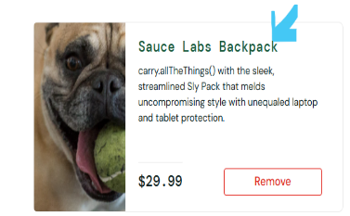
 | Product filter options do not change and remain fixed on Name (A to Z) when logged in as problem_user | When logged in as problem_user, the product filter options on the Products page do not work. Selecting any filter option, such as Name (Z to A), Price (low to high), or Price (high to low), does not change the product list. The list remains fixed on Name (A to Z) regardless of the selected filter. This prevents the user from sorting products correctly and negatively affects the shopping experience. | Open the login page Enter username: problem_user Enter password: secret_sauce Click Login. Go to the Products page Click on the filter dropdown. Select any option: Name (A to Z) Name (Z to A) Price (low to high) Price (high to low | Products should be sorted according to the selected filter option | Selecting any filter option does not update the product list. The list remains fixed on Name (A to Z) even after selecting other options. | Critical | medium | Open | sara mohammed |  | Browser: Chrome Version 146.0.3856.72 (Official build) (64-bit) OS: Windows 12 | 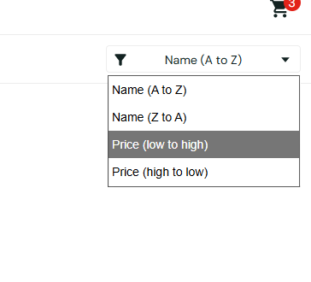
 | Clicking on Jacket shows invalid product details for problem_user | When logged in as problem_user and clicking on the Jacket product on the Products page: Product Name shows: ITEM NOT FOUND Product Description shows: ITEM NOT FOUND We're sorry, but your call could not be completed as dialled. Please check your number, and try your call again. If you are in need of assistance, please dial 0 to be connected with an operator. This is a recording. Product Price shows: 4 T 1. $√-1 This prevents the user from viewing the correct product details or purchasing the item. The issue is specific to problem_user. | Open the login page Enter username: problem_user Enter password: secret_sauce Click Login. Go to the Products page Click on the Jacket product Observe that the product details display invalid/error messages instead of correct Name, Description, and Price | The product page should display the correct Name, Description, and Price for Jacket User should be able to view details and add the product to cart | Name: ITEM NOT FOUND Description: ITEM NOT FOUND We're sorry, but your call could not be completed as dialled... Price: 4 T 1. $√-1 | Critical | high | Open | sara mohammed |  | Browser: Chrome Version 146.0.3856.72 (Official build) (64-bit) OS: Windows 13 | 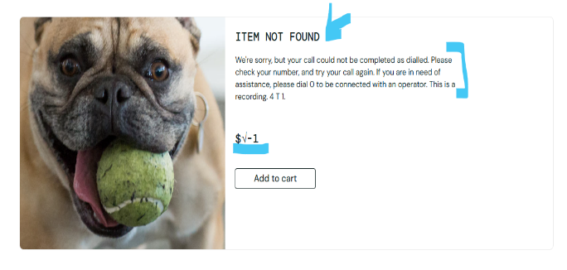
 | Adding a product with invalid details (ITEM NOT FOUND) to cart causes cart page to crash (white screen) for problem_user | When logged in as problem_user, navigating to certain products (e.g., Jacket) displays invalid product details, including: Product name: ITEM NOT FOUND Description: irrelevant error message Price: invalid value (e.g., $√-1) When the user clicks Add to Cart from this invalid product details page and navigates to the Cart page, the page crashes and displays a blank white screen. | Log in with username: problem_user, password: secret_sauce Go to the Products page Click on Jacket product Observe invalid product details (ITEM NOT FOUND, incorrect description, invalid price) Click Add to Cart Navigate to the Cart page | Invalid products should not be addable to the cart Cart page should always load correctly Only valid product data should be processed | Cart page displays a blank white screen User cannot view cart items or proceed | Critical | high | Open | sara mohammed |  | Browser: Chrome Version 146.0.3856.72 (Official build) (64-bit) OS: Windows 14 | 
 | Typing in Last Name field overwrites First Name for problem_user | On Checkout page, logged in as problem_user: First Name field works normally Typing in Last Name field overwrites First Name instead Only one character can be entered at a time in First Name via Last Name input Last Name field cannot retain any input | Open the login page Enter username: problem_user Enter password: secret_sauce Add a product to the cart. Go to the cart page. Click Checkout. Try to type a value in the Last Name field. | Each field (First Name, Last Name, Zip Code) should accept and retain its own input independently Typing in Last Name should not affect First Name | Typed characters appear in First Name Last Name field remains empty Only one character is "accepted" per keystroke | Critical | high | Open | sara mohammed |  | Browser: Chrome Version 146.0.3856.72 (Official build) (64-bit) OS: Windows 15
 | Remove button does not work on the Products page when logging in with problem_user | the Remove button does not remove the product from the cart when clicked on the Products page, but it works correctly on the Cart page. | Login to the system Enter username: problem_user Enter password: secret_sauce. Add a product to the cart. Click Remove on the Products page | The product should be removed from the cart | Nothing happens and the product remains in the cart. | minor | Medium | Open | sara mohammed |  | Browser: Chrome Version 146.0.3856.72 (Official build) (64-bit) OS: Windows 16
 | Checkout page opens for all users (standard_user problem_user performance_glitch_user error_user visual_user) even if cart is empty | Currently, the Checkout page can be accessed by all user types (standard_user, problem_user, performance_glitch_user, error_user, visual_user) even when no products are added to the cart. This may lead to confusing UX and could expose input bugs (e.g., problem_user issue with Last Name overwriting First Name). | Log in as any user (standard_user / problem_user / etc.) Without adding any product to the cart, navigate to Checkout page | Checkout page should only be accessible if at least one product is in the cart | Checkout page opens successfully Input fields are interactive even if the cart is empty | Critical | high | Open | sara mohammed |  | Browser: Chrome Version 146.0.3856.72 (Official build) (64-bit) OS: Windows 17
 | Slow performance when using performance_glitch_user (login, sorting, and navigation) | when logging in using the performance_glitch_user account, the system experiences noticeable delays in several actions such as logging in, sorting products, and navigating back to the Products page. | Open the login page. Enter username: performance_glitch_user Enter password: secret_sauce Click Login. Observe the time taken to load the Products page. Try using the product filter: Name (A to Z) Name (Z to A) Price (low to high) Price (high to low) Open any product to navigate to the Product Details page. Click Back to Products. | the login process should navigate to the Products page quickly. Product sorting should be applied immediately after selecting a filter option. Clicking Back to Products should return to the Products page instantly. | Login takes a long time to navigate to the Products page. Sorting products takes noticeable time before applying the filter. Clicking Back to Products returns to the Products page after a delay | minor |  | Open | sara mohammed |  | Browser: Chrome Version 146.0.3856.72 (Official build) (64-bit) OS: Windows 18
 | Sorting by any option triggers "Sorting is broken!" prompt and does not sort products on Products page for error_user | On the Products page, sorting by any option triggers the prompt: "Sorting is broken! This error has been reported to Backtrace | Open the login page. Enter username: error_user Enter password: secret_sauce Click Login. Navigate to the Products page Try sorting by Name (A to Z), Name (Z to A), Price (low to high), or Price (high to low) | Products should sort correctly according to the selected option | Prompt appears; sorting does not work |  | Medium | Open | sara mohammed |  |  | 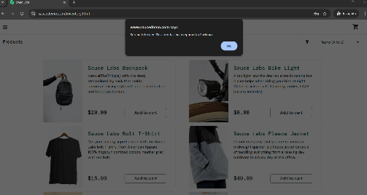
 | The Add to Cart button does not work for: T-Shirt, Jacket, T-Shirt (Red) for error_user | When logged in as error_user, the Add to Cart button on the Products page is non-functional for three specific products: T-Shirt, Jacket, and T-Shirt (Red). | Open the login page. Enter username: error_user Enter password: secret_sauce Click Login. Attempt to click Add to Cart for each of the following products: T-Shirt Jacket T-Shirt (Red) Observe that nothing happens | Product should be added to the cart | Add to Cart button non-functional Nothing happens; product not added to cart | minor | Medium | Open | sara mohammed |  | Browser: Chrome Version 146.0.3856.72 (Official build) (64-bit) OS: Windows 19
 | Remove button does not remove items on Product page and Product Details page but works correctly on Cart page when logged in as error_user | When logged in as error_user, the Remove button is non-functional on both the Products page and the Product Details page. Clicking Remove on these pages does not remove the item from the cart and provides no visual feedback. However, the Remove button works correctly on the Cart (Your Cart) page, where items can be removed successfully. This creates inconsistent behavior across different pages and may confuse users, as the same action works in one place but not in others. | Open the login page. Enter username: error_user Enter password: secret_sauce Click Login. Add products to cart Go to Product page or Product Details page Click Remove | Remove button should remove the product from cart | Remove button does not work | minor | Medium | Open | sara mohammed |  | Browser: Chrome Version 146.0.3856.72 (Official build) (64-bit) OS: Windows 20
 | Last Name field on Checkout Information page does not accept typing when logged in as error_user | When logged in as error_user, the Last Name field on the Checkout Information page does not accept any input. Typing in the field does not display any characters, making it impossible to enter required data. This prevents the user from completing the checkout process normally. | Open the login page. Enter username: error_user Enter password: secret_sauce Click Login. Add any product to the cart Navigate to the Checkout Information page Try typing in the Last Name field | Last Name field should accept and display typed input normally | No characters appear in the Last Name field | Critical | high | Open | sara mohammed |  | Browser: Chrome Version 146.0.3856.72 (Official build) (64-bit) OS: Windows 21
 | Clicking Continue navigates to Checkout Overview without entering required Last Name field for error_user | When logged in as error_user, the Last Name field is required, but the system allows the user to proceed without entering any value. Clicking Continue navigates directly to the Checkout Overview page without showing any validation error. This breaks form validation logic and allows incomplete user data submission | Open the login page. Enter username: error_user Enter password: secret_sauce Click Login. Add any product to the cart Navigate to the Checkout Information page Leave the Last Name field empty Click Continue | System should display a validation error and prevent navigation until Last Name is entered | User is redirected to Checkout Overview page | Critical | high | Open | sara mohammed |  | Browser: Chrome Version 146.0.3856.72 (Official build) (64-bit) OS: Windows 22
 | Finish button on Checkout Overview page does not complete purchase or navigate to confirmation page for error_user | When logged in as error_user, clicking the Finish button on the Checkout Overview page does not trigger any action. The user remains on the same page without navigation or confirmation. This prevents completing the purchase flow. | Open the login page. Enter username: error_user Enter password: secret_sauce Click Login. Go to Checkout Information page and fill all fields Click Continue to go to Checkout Overview page Click Finis | User should be navigated to the order confirmation page | No action occurs; user stays on the same page | Critical | high | Open | sara mohammed |  | Browser: Chrome Version 146.0.3856.72 (Official build) (64-bit) OS: Windows 23

